IntegrityCheck
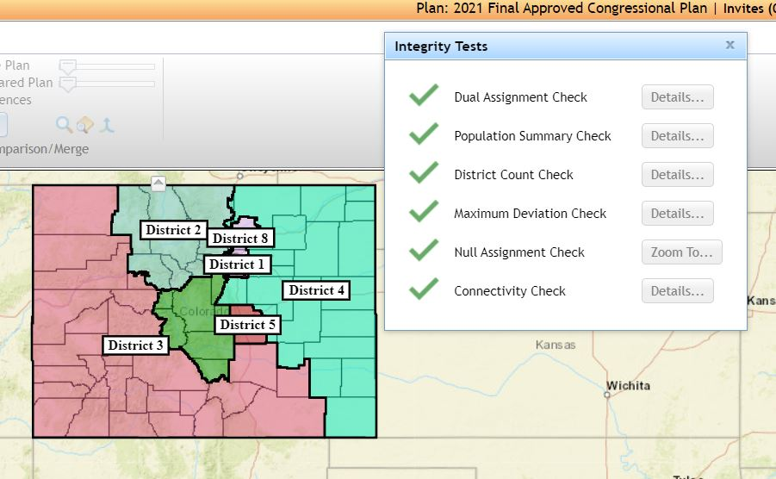

Source: Colorado Independent Redistricting Commissions Staff.
September 28, 2021

