PopulationSummary

Population Summary Report
Plan: First Senate Staff Plan Final

District | Population | Target Deviation | Target Deviation (%) | Hispanic | Non-Hispanic | Non-Hispanic White | Non-Hispanic Black | Non-Hispanic American Indian/ Alaskan Native | Non-Hispanic Asian | Non-Hispanic Hawaiian or Other Pacific Islander | Non-Hispanic some other race | Non-Hispanic two or more minority race

1 | 164,459 | -504 | -0.31 | 34,708 | 129,751 | 118,487 | 918 | 574 | 2,536 | 97 | 683 | 6,456
 |  |  |  | 21.1% | 78.9% | 72.0% | 0.6% | 0.3% | 1.5% | 0.1% | 0.4% | 3.9%
2 | 167,326 | 2,363 | 1.41 | 22,987 | 144,339 | 122,536 | 6,925 | 1,215 | 2,316 | 657 | 1,003 | 9,687
 |  |  |  | 13.7% | 86.3% | 73.2% | 4.1% | 0.7% | 1.4% | 0.4% | 0.6% | 5.8%
3 | 164,727 | -236 | -0.14 | 45,938 | 118,789 | 108,868 | 2,219 | 1,019 | 830 | 141 | 643 | 5,069
 |  |  |  | 27.9% | 72.1% | 66.1% | 1.3% | 0.6% | 0.5% | 0.1% | 0.4% | 3.1%
4 | 162,008 | -2,955 | -1.82 | 17,199 | 144,809 | 126,602 | 2,450 | 452 | 6,147 | 175 | 677 | 8,306
 |  |  |  | 10.6% | 89.4% | 78.1% | 1.5% | 0.3% | 3.8% | 0.1% | 0.4% | 5.1%
5 | 162,526 | -2437 | -1.5 | 42,906 | 119,620 | 110,589 | 880 | 520 | 1,792 | 93 | 715 | 5,031
 |  |  |  | 26.4% | 73.6% | 68.0% | 0.5% | 0.3% | 1.1% | 0.1% | 0.4% | 3.1%
6 | 166,540 | 1,577 | 0.95 | 29,278 | 137,262 | 125,116 | 1,069 | 1,049 | 1,771 | 180 | 921 | 7,156
 |  |  |  | 17.6% | 82.4% | 75.1% | 0.6% | 0.6% | 1.1% | 0.1% | 0.6% | 4.3%
7 | 162,798 | -2165 | -1.33 | 34,592 | 128,206 | 112,073 | 707 | 6,853 | 1046 | 97 | 925 | 6,505
 |  |  |  | 21.2% | 78.8% | 68.8% | 0.4% | 4.2% | 0.6% | 0.1% | 0.6% | 4.0%
8 | 162,338 | -2,625 | -1.62 | 19,661 | 142,677 | 132,983 | 689 | 727 | 1,000 | 118 | 809 | 6,351
 |  |  |  | 12.1% | 87.9% | 81.9% | 0.4% | 0.4% | 0.6% | 0.1% | 0.5% | 3.9%
9 | 167,321 | 2358 | 1.41 | 16,468 | 150,853 | 128,575 | 4183 | 613 | 6,539 | 262 | 1093 | 9,588
 |  |  |  | 9.8% | 90.2% | 76.8% | 2.5% | 0.4% | 3.9% | 0.2% | 0.7% | 5.7%
10 | 168,423 | 3,460 | 2.05 | 27,737 | 140,686 | 112,641 | 8,550 | 789 | 5,497 | 502 | 1,030 | 11,677
 |  |  |  | 16.5% | 83.5% | 66.9% | 5.1% | 0.5% | 3.3% | 0.3% | 0.6% | 6.9%
11 | 161,198 | -3765 | -2.34 | 23,846 | 137,352 | 116,469 | 6,346 | 962 | 3240 | 212 | 951 | 9,172
 |  |  |  | 14.8% | 85.2% | 72.3% | 3.9% | 0.6% | 2.0% | 0.1% | 0.6% | 5.7%
12 | 164,441 | -522 | -0.32 | 48,042 | 116,399 | 80,682 | 16,714 | 1111 | 4,749 | 1180 | 1027 | 10,936
 |  |  |  | 29.2% | 70.8% | 49.1% | 10.2% | 0.7% | 2.9% | 0.7% | 0.6% | 6.7%
13 | 167,221 | 2258 | 1.35 | 63,913 | 103,308 | 90,234 | 3250 | 774 | 2,831 | 180 | 625 | 5,414
 |  |  |  | 38.2% | 61.8% | 54.0% | 1.9% | 0.5% | 1.7% | 0.1% | 0.4% | 3.2%
14 | 168,792 | 3,829 | 2.27 | 21,766 | 147,026 | 129,010 | 2,294 | 770 | 5,925 | 134 | 856 | 8,037
 |  |  |  | 12.9% | 87.1% | 76.4% | 1.4% | 0.5% | 3.5% | 0.1% | 0.5% | 4.8%
15 | 168,743 | 3780 | 2.24 | 20,895 | 147,848 | 135,759 | 1,064 | 701 | 1919 | 128 | 855 | 7,422
 |  |  |  | 12.4% | 87.6% | 80.5% | 0.6% | 0.4% | 1.1% | 0.1% | 0.5% | 4.4%
16 | 160,823 | -4,140 | -2.57 | 10,416 | 150,407 | 138,444 | 923 | 614 | 2,565 | 73 | 824 | 6,964
 |  |  |  | 6.5% | 93.5% | 86.1% | 0.6% | 0.4% | 1.6% | 0.0% | 0.5% | 4.3%
17 | 168,541 | 3578 | 2.12 | 33,888 | 134,653 | 117,540 | 1524 | 614 | 6,666 | 115 | 877 | 7,317
 |  |  |  | 20.1% | 79.9% | 69.7% | 0.9% | 0.4% | 4.0% | 0.1% | 0.5% | 4.3%
18 | 161,263 | -3,700 | -2.29 | 15,032 | 146,231 | 126,086 | 1,634 | 500 | 9,538 | 143 | 944 | 7,386
 |  |  |  | 9.3% | 90.7% | 78.2% | 1.0% | 0.3% | 5.9% | 0.1% | 0.6% | 4.6%
19 | 161,338 | -3625 | -2.25 | 26,722 | 134,616 | 120,803 | 1,624 | 764 | 3646 | 113 | 681 | 6,985
 |  |  |  | 16.6% | 83.4% | 74.9% | 1.0% | 0.5% | 2.3% | 0.1% | 0.4% | 4.3%
20 | 163,517 | -1,446 | -0.88 | 22,185 | 141,332 | 125,267 | 1,660 | 722 | 5,396 | 114 | 811 | 7,362
 |  |  |  | 13.6% | 86.4% | 76.6% | 1.0% | 0.4% | 3.3% | 0.1% | 0.5% | 4.5%
21 | 162,087 | -2876 | -1.77 | 83,786 | 78,301 | 62,043 | 3087 | 1180 | 6,055 | 183 | 722 | 5,031
 |  |  |  | 51.7% | 48.3% | 38.3% | 1.9% | 0.7% | 3.7% | 0.1% | 0.4% | 3.1%
22 | 162,905 | -2,058 | -1.26 | 63,971 | 98,934 | 79,414 | 3,885 | 1,438 | 7,568 | 224 | 836 | 5,569
 |  |  |  | 39.3% | 60.7% | 48.7% | 2.4% | 0.9% | 4.6% | 0.1% | 0.5% | 3.4%
23 | 162,148 | -2815 | -1.74 | 26,756 | 135,392 | 114,712 | 2,054 | 584 | 9335 | 125 | 760 | 7,822
 |  |  |  | 16.5% | 83.5% | 70.7% | 1.3% | 0.4% | 5.8% | 0.1% | 0.5% | 4.8%
24 | 162,344 | -2,619 | -1.61 | 42,941 | 119,403 | 98,304 | 2,486 | 748 | 9,866 | 139 | 725 | 7,135
 |  |  |  | 26.5% | 73.5% | 60.6% | 1.5% | 0.5% | 6.1% | 0.1% | 0.4% | 4.4%
25 | 167,675 | 2712 | 1.62 | 81,010 | 86,665 | 63,234 | 10211 | 804 | 5,617 | 397 | 798 | 5,604
 |  |  |  | 48.3% | 51.7% | 37.7% | 6.1% | 0.5% | 3.3% | 0.2% | 0.5% | 3.3%
26 | 165,477 | 514 | 0.31 | 22,810 | 142,667 | 123,919 | 2,759 | 732 | 6,688 | 116 | 849 | 7,604
 |  |  |  | 13.8% | 86.2% | 74.9% | 1.7% | 0.4% | 4.0% | 0.1% | 0.5% | 4.6%
27 | 163,308 | -1655 | -1.01 | 18,565 | 144,743 | 114,127 | 7,940 | 455 | 12635 | 191 | 824 | 8,571
 |  |  |  | 11.4% | 88.6% | 69.9% | 4.9% | 0.3% | 7.7% | 0.1% | 0.5% | 5.2%
28 | 166,956 | 1,993 | 1.19 | 59,724 | 107,232 | 54,367 | 33,573 | 811 | 8,949 | 1015 | 952 | 7,565
 |  |  |  | 35.8% | 64.2% | 32.6% | 20.1% | 0.5% | 5.4% | 0.6% | 0.6% | 4.5%
29 | 165,957 | 994 | 0.6 | 32,654 | 133,303 | 90,125 | 18868 | 623 | 12,599 | 302 | 966 | 9,820
 |  |  |  | 19.7% | 80.3% | 54.3% | 11.4% | 0.4% | 7.6% | 0.2% | 0.6% | 5.9%
30 | 162,512 | -2,451 | -1.51 | 14,728 | 147,784 | 123,294 | 2,129 | 423 | 13,167 | 100 | 691 | 7,980
 |  |  |  | 9.1% | 90.9% | 75.9% | 1.3% | 0.3% | 8.1% | 0.1% | 0.4% | 4.9%
31 | 166,771 | 1808 | 1.08 | 28,219 | 138,552 | 98,370 | 21,816 | 712 | 8151 | 197 | 1024 | 8,282
 |  |  |  | 16.9% | 83.1% | 59.0% | 13.1% | 0.4% | 4.9% | 0.1% | 0.6% | 5.0%
32 | 167,388 | 2,425 | 1.45 | 17,750 | 149,638 | 128,918 | 6,067 | 678 | 5,289 | 111 | 852 | 7,723
 |  |  |  | 10.6% | 89.4% | 77.0% | 3.6% | 0.4% | 3.2% | 0.1% | 0.5% | 4.6%
33 | 167,813 | 2850 | 1.7 | 56,830 | 110,983 | 61,601 | 31791 | 720 | 7,497 | 928 | 820 | 7,626
 |  |  |  | 33.9% | 66.1% | 36.7% | 18.9% | 0.4% | 4.5% | 0.6% | 0.5% | 4.5%
34 | 167,908 | 2,945 | 1.75 | 65,324 | 102,584 | 84,145 | 6,100 | 1,252 | 4,299 | 125 | 847 | 5,816
 |  |  |  | 38.9% | 61.1% | 50.1% | 3.6% | 0.7% | 2.6% | 0.1% | 0.5% | 3.5%
35 | 168,122 | 3159 | 1.88 | 70,143 | 97,979 | 85,326 | 2921 | 1265 | 1,556 | 138 | 944 | 5,829
 |  |  |  | 41.7% | 58.3% | 50.8% | 1.7% | 0.8% | 0.9% | 0.1% | 0.6% | 3.5%

Mean Deviation: |  |  | 2,434
Largest Positive Deviation: |  |  | 3,829
Largest Negative Deviation: |  |  | -4,140
Overall Range in Deviation Percentage: |  |  | 4.83

Source: Colorado Independent Redistricting Commissions Staff.
September 13, 2021

CheckIntegrity
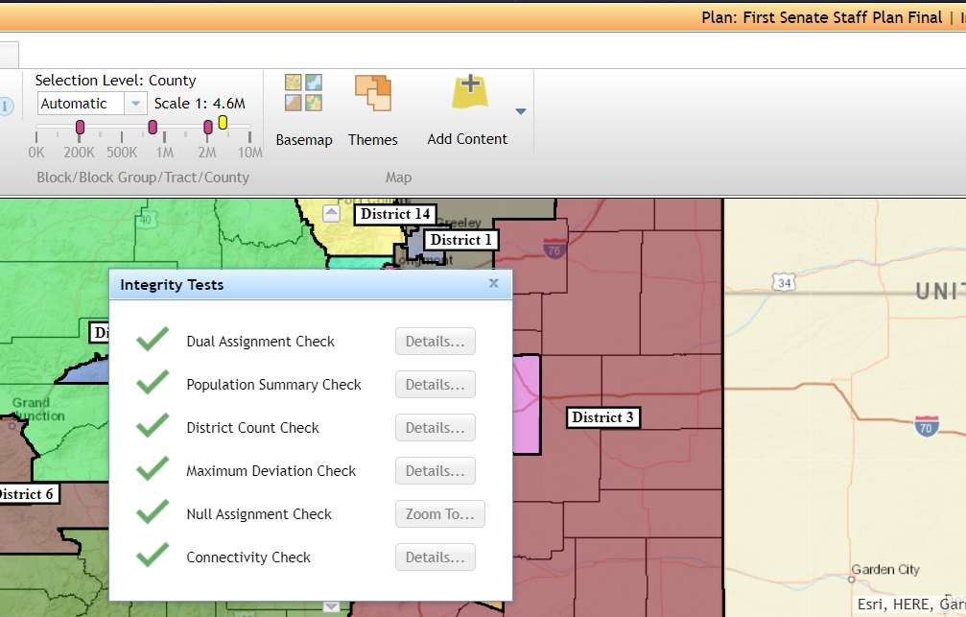

Source: Colorado Independent Redistricting Commissions Staff.
September 13, 2021

