PopulationSummary

Population Summary Report
Plan: Second Congressional Staff Plan

District | Population | Target Population | Target Deviation | Target Deviation (%) | Hispanic | Non-Hispanic | Non-Hispanic white | Non-Hispanic black | Non-Hispanic American Indian/ Alaskan Native | Non-Hispanic Asian | Non-Hispanic Hawaiian or Other Pacific Islander | Non-Hispanic some other race | Non-Hispanic two or more minority race
1 | 721,714 | 721,714 | 0 | 0.0% | 200,616 | 521,098 | 392,965 | 67,478 | 9,289 | 35,543 | 1,769 | 9,147 | 4,907
 |  |  |  |  | 27.8% | 72.2% | 54.4% | 9.3% | 1.3% | 4.9% | 0.2% | 1.3% | 0.7%
2 | 721,715 | 721,714 | 1 | 0.0% | 105,943 | 615,772 | 546,402 | 10,210 | 10,431 | 33,772 | 1069 | 11,771 | 2,117
 |  |  |  |  | 14.7% | 85.3% | 75.7% | 1.4% | 1.4% | 4.7% | 0.1% | 1.6% | 0.3%
3 | 721,715 | 721,714 | 1 | 0.0% | 184,868 | 536,847 | 481,897 | 9,275 | 22,148 | 9,155 | 981 | 11,317 | 2,074
 |  |  |  |  | 25.6% | 74.4% | 66.8% | 1.3% | 3.1% | 1.3% | 0.1% | 1.6% | 0.3%
4 | 721,714 | 721,714 | 0 | 0.0% | 98,704 | 623,010 | 547,110 | 15,894 | 12,478 | 33,329 | 1,165 | 10,289 | 2,745
 |  |  |  |  | 13.7% | 86.3% | 75.8% | 2.2% | 1.7% | 4.6% | 0.2% | 1.4% | 0.4%
5 | 721,714 | 721,714 | 0 | 0.0% | 129,138 | 592,576 | 473,462 | 50,531 | 15,055 | 31,797 | 3,776 | 10,964 | 6,991
 |  |  |  |  | 17.9% | 82.1% | 65.6% | 7.0% | 2.1% | 4.4% | 0.5% | 1.5% | 1.0%
6 | 721,714 | 721,714 | 0 | 0.0% | 159,713 | 562,001 | 402,408 | 80,604 | 9,807 | 51,428 | 2,325 | 9,803 | 5,626
 |  |  |  |  | 22.1% | 77.9% | 55.8% | 11.2% | 1.4% | 7.1% | 0.3% | 1.4% | 0.8%
7 | 721,714 | 721,714 | 0 | 0.0% | 105,665 | 616,049 | 546,244 | 12,784 | 14,488 | 27,306 | 1,066 | 11,951 | 2,210
 |  |  |  |  | 14.6% | 85.4% | 75.7% | 1.8% | 2.0% | 3.8% | 0.1% | 1.7% | 0.3%
8 | 721,714 | 721,714 | 0 | 0.0% | 278,743 | 442,971 | 370,175 | 16,845 | 11,930 | 31,499 | 1,210 | 8,740 | 2,572
 |  |  |  |  | 38.6% | 61.4% | 51.3% | 2.3% | 1.7% | 4.4% | 0.2% | 1.2% | 0.4%

Source: Colorado Independent Redistricting Commissions Staff.
September 15, 2021

IntegrityCheck
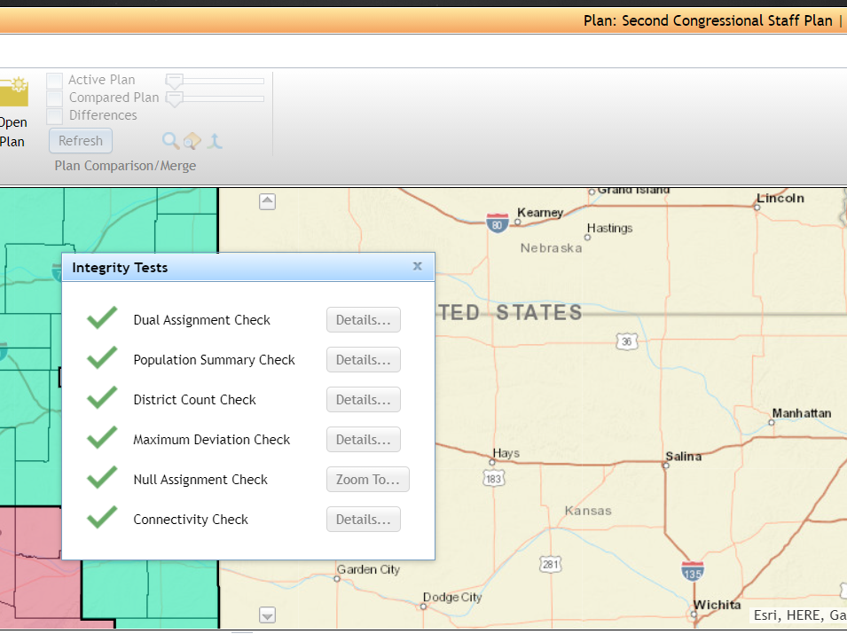

Source: Colorado Independent Redistricting Commissions Staff.
September 15, 2021

